Sheet1
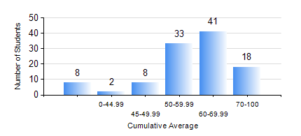
 |  |  | KWAME NKRUMAH UNIVERSITY OF SCIENCE AND TECHNOLOGY, KUMASI Department of Petroleum Engineering

 |  |  | BSC. PETROLEUM ENG.

 |  |  | COMPREHENSIVE RECORD OF EXAMINATION RESULTS

 |  |  | RESULTS OF YEAR 1 SECOND SEMESTER, 2022/2023 ACADEMIC YEAR

 | Sn | Course Code |  | Course Name | Credit Hours | Min. Mark | Max. Mark | Avg. Mark | Std. Dev. | No. Passed | No. Trailed | No. (Df) | No. (I) | No. (I*) | No. Tagged(I,I*,Df) | Total
 | 0. |  |  |  |  |  |  | 0 | 0 | 0 | 0 | 0 | 0 | 0 | 0 | 11
 | 1. | EE 152 |  | BASIC ELECTRONICS | 2 | 26 | 75 | 53 | 10.34 | 94 | 5 | 0 | 0 | 0 | 0 | 99
 | 2. | ENGL 158 |  | COMMUNICATION SKILLS II | 2 | 17 | 92 | 70 | 12.01 | 97 | 2 | 0 | 0 | 0 | 0 | 99
 | 3. | MATH 152 |  | CALCULUS WITH ANALYSIS | 4 | 37 | 83 | 55 | 8.69 | 97 | 2 | 0 | 0 | 0 | 0 | 99
 | 4. | ME 162 |  | BASIC MECHANICS | 3 | 28 | 87 | 63 | 12.58 | 98 | 1 | 0 | 0 | 0 | 0 | 99
 | 5. | PE 154 |  | INTRODUCTION TO PETROLEUM ENGINEERING | 2 | 24 | 82 | 58 | 11 | 98 | 1 | 0 | 0 | 0 | 0 | 99
 | 6. | PE 156 |  | PHYSICAL CHEMISTRY FOR ENGINEERS | 2 | 29 | 91 | 59 | 14.92 | 93 | 6 | 0 | 0 | 0 | 0 | 99
 | 7. | PHY 170 |  | GENERAL PHYSICS | 3 | 40 | 87 | 66 | 9.96 | 99 | 0 | 0 | 0 | 0 | 0 | 99

